Glazed Fruit Cake Recipe
This is the recipe needed to make 1 glazed fruitcakes in a medium pan/llanera

Standard Unit | Baking Unit |  | Ingredient | Glazed fruitcake | Unit | Amount (in g) | Price
1 cup | 0.125 | kg | Local Glaze Fruits | 1.5 | cup | 360.00 | 89.42
1 teaspoon | 2.6 | g | Raisins | 1 | cup | 720.00 | 153.37
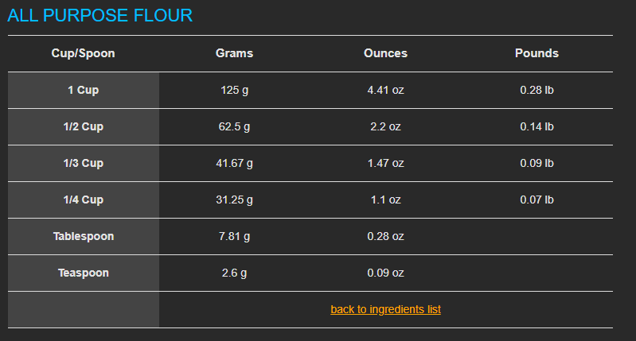
 |  |  | All-purpose flour | 3 | cup | 720.00 | 73.8
 |  |  | Brown Sugar | 2 | cup | 480.00 | 39.6
 |  |  | Baking Powder | 1 | teaspoon | 4.26 | 0.73
 |  |  | Cinammon | 1 | teaspoon | 4.26 | 10.1
 |  |  | All Spice | 0.5 | teaspoon | 2.13 | 6.75
 |  |  | Salt | 1 | teaspoon | 4.26 | 0.14
 |  |  | eggs | 40 | grams | 160 | 23.33
 |  |  | Molasses | 0.5 | cup | 120.00 | 10.32
 |  |  | Cherry Brandy | 1 | cup | 240.00 | 88
 |  |  | Vanilla | 1 | teaspoon | 4.26 | 11.55
 |  |  | Water | 2 | cup | 480.00 | 3.64
 |  |  | Mace | 1 | teaspoon | 4.26 | 21.18
 |  |  | Walnuts | 1 | cup | 240.00 | 143.75
 |  |  | Butter | 1 | cup | 240.00 | 72.6
 |  |  | Total |  |  | 3783.43 | 470.09

